MAXXE ROCKY ROAD
MAXXE | ROCKY ROAD PU | NY TOTAL | #REF! | MILAN TOTAL | #REF! | NY AGENT TOTAL | #REF! | EU AGENT TOTAL | #REF! | GRAND TOTAL |  | #REF! | FACTORY: | WAHSUN |  |  |  |  |  |  |  |  |  |  | MAXXE ROCKY ROAD
 |  |  |  |  |  |  |  |  |  | AGENT GRAND TOTAL |  | #REF!
SEASON: |  |  |  |  |  |  |  |  | DIVISION: |  |  |  |  |  |  |  |  |  |  |  |  |  |  |  |  | CATEGORY: |  |  |  |  | HANDBAGS |  |  |  |  |  |  | FACTORY: | WAHSUN
DELIVERY: |  |  |  |  |  |  |  |  | GROUP NAME: |  |  |  | MAXXE |  |  |  |  |  |  |  |  |  |  |  |  | THEME: |  |  |  |  | ROCKY ROAD PU

LINESHEET DESCRIPTION |  | EXTERIOR |  |  |  |  |  |  |  |  |  |  |  |  |  |  |  |  |  | INTERIOR |  |  |  |  |  |  |  |  |  |  | FINSIHING DETAILS
COLOR DESC. | COLOR CODE | BODY MATERIAL |  |  | TRIM 1 MATERIAL |  |  | TRIM 2 MATERIAL |  |  | TRIM 3 MATERIAL |  |  | TRIM 4 MATERIAL |  |  | ZIPPER TAPE COLOR CODE |  |  | INTERIOR 1 MATERIAL |  |  | INTERIOR 2 MATERIAL |  |  | LINING MATERIAL |  |  | ZIPPER TAPE COLOR CODE |  | EDGE PAINT COLOR |  | THREAD COLOR |  | EMB LOGO FOIL COLOR |  | ZIPPER FINISH |  | HW Finish | LOGO FINISH (IF DIFFERENT THAN HW)
 |  | ROCKY ROAD PU (MINGKE, $4.00/yd) |  |  | 38MM STANDFORD NEW YORK LOGO WEBBING (STANDFORD, NL3001263/38, $0.73/yd) |  |  |  |  |  |  |  |  |  |  |  |  |  |  | SMOOTH PU (DJM, NEW 594 PACKABLE PVC 1.0mm, $4.60/yd) |  |  |  |  |  | NEW YORK LOGO DKNY LINING (SHINSUNG J&T, CS-17363, $1.01/yd)
BLACK/GOLD | BGD | BLACK |  |  | BLACK |  |  |  |  |  |  |  |  |  |  |  | 580 |  |  | BLACK |  |  |  |  |  | BLACK |  |  |  |  | BLACK |  | DTM |  | GOLD |  | GOLDEN BRASS |  | 9K GOLD
DK GRAY | DGY | DK GRAY |  |  | BLACK |  |  |  |  |  |  |  |  |  |  |  | 183 |  |  | LT KHAKI |  |  |  |  |  | LT KHAKI |  |  |  |  | DK MAHOGANY |  | DTM |  | GOLD |  | GOLDEN BRASS |  | 9K GOLD
GARNET | GAR | GARNET |  |  | CHINO |  |  |  |  |  |  |  |  |  |  |  | 864 |  |  | LT KHAKI |  |  |  |  |  | LT KHAKI |  |  |  |  | DK MAHOGANY |  | DTM |  | GOLD |  | GOLDEN BRASS |  | 9K GOLD
OLIVE | OLV | OLIVE |  |  | CHINO |  |  |  |  |  |  |  |  |  |  |  | FP56 |  |  | LT KHAKI |  |  |  |  |  | LT KHAKI |  |  |  |  | DK MAHOGANY |  | DTM |  | GOLD |  | GOLDEN BRASS |  | 9K GOLD

IMAGE | 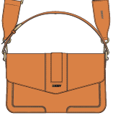 |  |  |  | 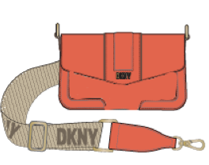  |  |  |  | 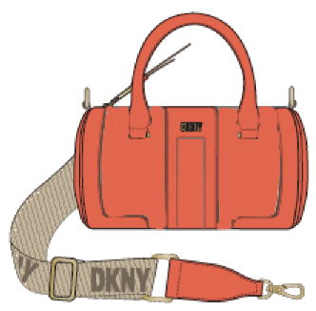 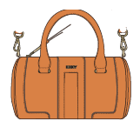
STYLE DESCRIPTION | SHOULDER BAG |  |  |  | FLAP SHOULDER |  |  |  | MINI SATCHEL |  |  |  |  |  |  |  |  |  |  |  |  |  |  |  |  |  |  |  |  |  |  |  |  |  |  |  | LOGO BRANDING IMAGE
STYLE NUMBER | R423AX48 |  |  |  | R423AE78 |  |  |  | R42DAE79 |  |  |  |  |  |  |  |  |  |  |  |  |  |  |  |  |  |  |  |  |  |  |  |  |  |  |  | COMMENTS
LOGO HW1
SPECIAL HW2
CHARM
INTERIOR DETAILS
SPECIAL HANGTAG
CARE CARD | NO |  |  |  | NO |  |  |  | NO
DUST BAG | NO |  |  |  | NO |  |  |  | NO
MTRL PLACMENT

SAMPLE COLOR | NY | MILAN | NY AGENT | EU AGENT | NY | MILAN | NY AGENT | EU AGENT | NY | MILAN | NY AGENT | EU AGENT | NY | MILAN | NY AGENT | EU AGENT | NY | MILAN | NY AGENT | EU AGENT | NY | MILAN | NY AGENT | EU AGENT | NY | MILAN | NY AGENT | EU AGENT | NY | MILAN | NY AGENT | EU AGENT | NY | MILAN | NY AGENT | EU AGENT | NY | MILAN | NY AGENT | EU AGENT
BLACK/GOLD
DK GRAY | 1
GARNET |  |  |  |  | 1
OLIVE |  |  |  |  |  |  |  |  | 1

SAMPLE ORDER TOTAL | 1 | 0 | 0 | 0 | 1 | 0 | 0 | 0 | 1 | 0 | 0 | 0 | 0 | 0 | 0 | 0 | 0 | 0 | 0 | 0 | 0 | 0 | 0 | 0 | 0 | 0 | 0 | 0 | 0 | 0 | 0 | 0 | 0 | 0 | 0 | 0 | 0 | 0 | 0 | 0
NY | 3
MILAN | 0
NY AGENT | 0
EU AGENT | 0

GRAND TOTAL | 3
NY/MILAN TOTAL | 3
AGENT TOTAL | 0
0

GWEN RHINESTONE
GWEN | RHINESTONE/NAPPA PU | NY TOTAL | #REF! | MILAN TOTAL | #REF! | NY AGENT TOTAL | #REF! | EU AGENT TOTAL | #REF! | GRAND TOTAL |  | #REF! | FACTORY: | WAHSUN |  |  |  |  |  |  |  |  |  |  | GWEN RHINESTONE
 |  |  |  |  |  |  |  |  |  | AGENT GRAND TOTAL |  | #REF!
SEASON: |  | FA24 |  |  |  |  |  |  | DIVISION: |  |  |  |  |  |  |  |  |  |  |  |  |  |  |  |  | CATEGORY: |  |  |  |  | HANDBAGS |  |  |  |  |  |  | FACTORY: | WAHSUN
DELIVERY: |  |  |  |  |  |  |  |  | GROUP NAME: |  |  |  | GWEN |  |  |  |  |  |  |  |  |  |  |  |  | THEME: |  |  |  |  | RHINESTONE/NAPPA PU

LINESHEET DESCRIPTION |  | EXTERIOR |  |  |  |  |  |  |  |  |  |  |  |  |  |  |  |  |  | INTERIOR |  |  |  |  |  |  |  |  |  |  | FINSIHING DETAILS
COLOR DESC. | COLOR CODE | BODY MATERIAL |  |  | TRIM 1 MATERIAL |  |  | TRIM 2 MATERIAL |  |  | TRIM 3 MATERIAL |  |  | TRIM 4 MATERIAL |  |  | ZIPPER TAPE COLOR CODE |  |  | INTERIOR 1 MATERIAL |  |  | INTERIOR 2 MATERIAL |  |  | LINING MATERIAL |  |  | ZIPPER TAPE COLOR CODE |  | EDGE PAINT COLOR |  | THREAD COLOR |  | EMB LOGO FOIL COLOR |  | ZIPPER FINISH |  | HW Finish | LOGO FINISH (IF DIFFERENT THAN HW)
 |  | RHINESTONE (DONGGUAN HOUJIE RUIFA, NET DRILL QUOTE 50% glass + 50% hardware, $0.003/pc) |  |  | NAPPA PU (HUASHENG, HQ1001, $3.80/YD) |  |  |  |  |  |  |  |  |  |  |  |  |  |  | SMOOTH PU (DJM, NEW 594 PACKABLE PVC 1.0mm, $4.60/yd) |  |  |  |  |  | NEW YORK LOGO DKNY LINING (SHINSUNG J&T, CS-17363, $1.01/yd)
CLEAR/BLACK | C8K | CLEAR/BLACK |  |  | BLACK |  |  |  |  |  |  |  |  |  |  |  |  |  |  | BLACK |  |  |  |  |  | BLACK |  |  |  |  | BLACK |  | DTM |  | SILVER |  |  |  | SILVER

IMAGE | 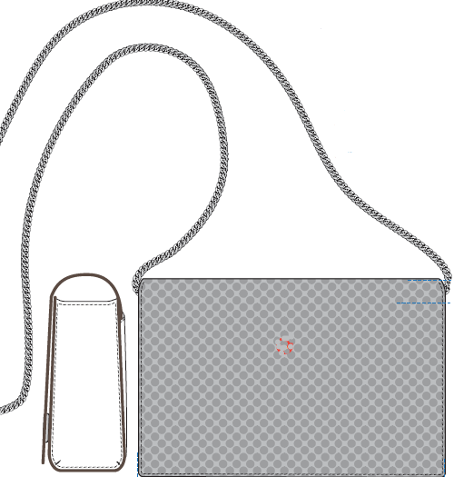
STYLE DESCRIPTION | FLAP CBODY |  |  |  |  |  |  |  |  |  |  |  |  |  |  |  |  |  |  |  |  |  |  |  |  |  |  |  |  |  |  |  |  |  |  |  | LOGO BRANDING IMAGE
STYLE NUMBER | R43EDH01 |  |  |  |  |  |  |  |  |  |  |  |  |  |  |  |  |  |  |  |  |  |  |  |  |  |  |  |  |  |  |  |  |  |  |  | COMMENTS
LOGO HW1
SPECIAL HW2
CHARM
INTERIOR DETAILS
SPECIAL HANGTAG
CARE CARD | NO
DUST BAG | NO
MTRL PLACMENT

SAMPLE COLOR | NY | MILAN | NY AGENT | EU AGENT | NY | MILAN | NY AGENT | EU AGENT | NY | MILAN | NY AGENT | EU AGENT | NY | MILAN | NY AGENT | EU AGENT | NY | MILAN | NY AGENT | EU AGENT | NY | MILAN | NY AGENT | EU AGENT | NY | MILAN | NY AGENT | EU AGENT | NY | MILAN | NY AGENT | EU AGENT | NY | MILAN | NY AGENT | EU AGENT | NY | MILAN | NY AGENT | EU AGENT
CLEAR/BLACK | 2

SAMPLE ORDER TOTAL | 2 | 0 | 0 | 0 | 0 | 0 | 0 | 0 | 0 | 0 | 0 | 0 | 0 | 0 | 0 | 0 | 0 | 0 | 0 | 0 | 0 | 0 | 0 | 0 | 0 | 0 | 0 | 0 | 0 | 0 | 0 | 0 | 0 | 0 | 0 | 0 | 0 | 0 | 0 | 0
NY | 2
MILAN | 0
NY AGENT | 0
EU AGENT | 0

GRAND TOTAL | 2
NY/MILAN TOTAL | 2
AGENT TOTAL | 0
0

RHEA FAUX FUR
RHEA | FAUX FUR | NY TOTAL | #REF! | MILAN TOTAL | #REF! | NY AGENT TOTAL | #REF! | EU AGENT TOTAL | #REF! | GRAND TOTAL |  | #REF! | FACTORY: | WAHSUN |  |  |  |  |  |  |  |  |  |  | RHEA FAUX FUR
 |  |  |  |  |  |  |  |  |  | AGENT GRAND TOTAL |  | #REF!
SEASON: |  | FA24 |  |  |  |  |  |  | DIVISION: |  |  |  |  |  |  |  |  |  |  |  |  |  |  |  |  | CATEGORY: |  |  |  |  | HANDBAGS |  |  |  |  |  |  | FACTORY: | WAHSUN
DELIVERY: |  |  |  |  |  |  |  |  | GROUP NAME: |  |  |  | RHEA |  |  |  |  |  |  |  |  |  |  |  |  | THEME: |  |  |  |  | FAUX FUR

LINESHEET DESCRIPTION |  | EXTERIOR |  |  |  |  |  |  |  |  |  |  |  |  |  |  |  |  |  | INTERIOR |  |  |  |  |  |  |  |  |  |  | FINSIHING DETAILS
COLOR DESC. | COLOR CODE | BODY MATERIAL |  |  | TRIM 1 MATERIAL |  |  | TRIM 2 MATERIAL |  |  | TRIM 3 MATERIAL |  |  | TRIM 4 MATERIAL |  |  | ZIPPER TAPE COLOR CODE |  |  | INTERIOR 1 MATERIAL |  |  | INTERIOR 2 MATERIAL |  |  | LINING MATERIAL |  |  | ZIPPER TAPE COLOR CODE |  | EDGE PAINT COLOR |  | THREAD COLOR |  | EMB LOGO FOIL COLOR |  | ZIPPER FINISH |  | HW Finish | LOGO FINISH (IF DIFFERENT THAN HW)
 |  | FAUX FUR (JINHONG, M517, $5.94/yd) |  |  | NAPPA PU (HUASHENG, HQ1001, $3.80/YD) |  |  |  |  |  |  |  |  |  |  |  |  |  |  | SMOOTH PU (DJM, NEW 594 PACKABLE PVC 1.0mm, $4.60/yd) |  |  |  |  |  | NEW YORK LOGO DKNY LINING (SHINSUNG J&T, CS-17363, $1.01/yd)
BLACK/GUNMETAL | BWG | BLACK |  |  | BLACK |  |  |  |  |  |  |  |  |  |  |  | 580 |  |  | BLACK |  |  |  |  |  | BLACK |  |  |  |  | BLACK |  | DTM |  | SILVER |  | GUNMETAL |  | GUNMETAL

IMAGE | 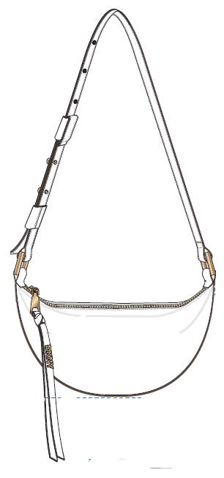 |  |  |  | 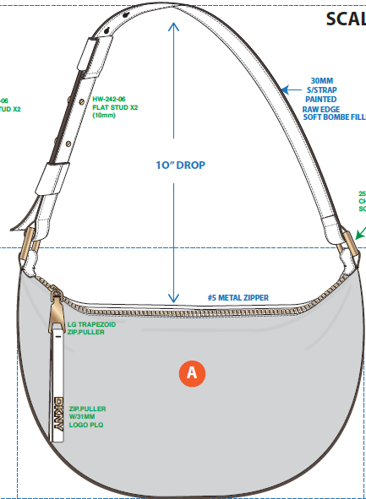
STYLE DESCRIPTION | CRESCENT CBODY |  |  |  | HOBO |  |  |  |  |  |  |  |  |  |  |  |  |  |  |  |  |  |  |  |  |  |  |  |  |  |  |  |  |  |  |  | LOGO BRANDING IMAGE
STYLE NUMBER | R43EDH02 |  |  |  | R43CDH03 |  |  |  |  |  |  |  |  |  |  |  |  |  |  |  |  |  |  |  |  |  |  |  |  |  |  |  |  |  |  |  | COMMENTS
LOGO HW1
SPECIAL HW2
CHARM
INTERIOR DETAILS
SPECIAL HANGTAG
CARE CARD | NO |  |  |  | NO
DUST BAG | NO |  |  |  | NO
MTRL PLACMENT

SAMPLE COLOR | NY | MILAN | NY AGENT | EU AGENT | NY | MILAN | NY AGENT | EU AGENT | NY | MILAN | NY AGENT | EU AGENT | NY | MILAN | NY AGENT | EU AGENT | NY | MILAN | NY AGENT | EU AGENT | NY | MILAN | NY AGENT | EU AGENT | NY | MILAN | NY AGENT | EU AGENT | NY | MILAN | NY AGENT | EU AGENT | NY | MILAN | NY AGENT | EU AGENT | NY | MILAN | NY AGENT | EU AGENT
BLACK/GUNMETAL | 1

SAMPLE ORDER TOTAL | 1 | 0 | 0 | 0 | 0 | 0 | 0 | 0 | 0 | 0 | 0 | 0 | 0 | 0 | 0 | 0 | 0 | 0 | 0 | 0 | 0 | 0 | 0 | 0 | 0 | 0 | 0 | 0 | 0 | 0 | 0 | 0 | 0 | 0 | 0 | 0 | 0 | 0 | 0 | 0
NY | 1
MILAN | 0
NY AGENT | 0
EU AGENT | 0

GRAND TOTAL | 1
NY/MILAN TOTAL | 1
AGENT TOTAL | 0
0

ZOIE - DKNY STITCHED NYLON
ZOIE | AVIA DKNY STITCHED NYLON/ ROCKY RD PU | NY TOTAL | #REF! | MILAN TOTAL | #REF! | NY AGENT TOTAL | #REF! | EU AGENT TOTAL | #REF! | GRAND TOTAL |  | #REF! | FACTORY: | WAHSUN |  |  |  |  |  |  |  |  |  |  | ZOIE - DKNY STITCHED NYLON
 |  |  |  |  |  |  |  |  |  | AGENT GRAND TOTAL |  | #REF!
SEASON: |  | FA24 OUTLET |  |  |  |  |  |  | DIVISION: |  |  |  |  |  |  |  |  |  |  |  |  |  |  |  |  | CATEGORY: |  |  |  |  | HB |  |  |  |  |  |  | FACTORY: | WAHSUN
DELIVERY: |  |  |  |  |  |  |  |  | GROUP NAME: |  |  |  | ZOIE |  |  |  |  |  |  |  |  |  |  |  |  | THEME: |  |  |  |  | AVIA DKNY STITCHED NYLON/ ROCKY RD PU

LINESHEET DESCRIPTION |  | EXTERIOR |  |  |  |  |  |  |  |  |  |  |  |  |  |  |  |  |  | INTERIOR |  |  |  |  |  |  |  |  |  |  | FINSIHING DETAILS
COLOR DESC. | COLOR CODE | BODY MATERIAL |  |  | TRIM 1 MATERIAL |  |  | TRIM 2 MATERIAL |  |  | TRIM 3 MATERIAL |  |  | TRIM 4 MATERIAL |  |  | ZIPPER TAPE COLOR CODE |  |  | INTERIOR 1 MATERIAL |  |  | INTERIOR 2 MATERIAL |  |  | LINING MATERIAL |  |  | ZIPPER TAPE COLOR CODE |  | EDGE PAINT COLOR |  | THREAD COLOR |  | EMB LOGO FOIL COLOR |  | ZIPPER FINISH |  | HW Finish | LOGO FINISH (IF DIFFERENT THAN HW)
 |  | AVIA NYLON (JIANHE, 825, $2.40/yd) |  |  | ROCKY ROAD PU (MINGKE, $4.00/yd) |  |  | 38MM STANDFORD NEW YORK LOGO WEBBING (STANDFORD, NL3001263/38, $0.73/yd) |  |  |  |  |  |  |  |  |  |  |  | SMOOTH PU (DJM, NEW 594 PACKABLE PVC 1.0mm, $4.60/yd) |  |  |  |  |  | NEW YORK LOGO DKNY LINING (SHINSUNG J&T, CS-17363, $1.01/yd)
BLACK/GOLD | BGD | BLACK (#14) |  |  | BLACK |  |  | BLACK |  |  |  |  |  |  |  |  | 580 |  |  | BLACK |  |  |  |  |  | BLACK |  |  |  |  | BLACK |  | DTM |  | GOLD |  | GOLDEN BRASS |  | 9K |  | WHITE/SILVER
OLIVE | OLV | OLIVE (#9) |  |  | OLIVE |  |  | BLACK |  |  |  |  |  |  |  |  | FP56 |  |  | LT KHAKI |  |  |  |  |  | LT KHAKI |  |  |  |  | BLACK |  | DTM |  | GOLD |  | GOLDEN BRASS |  | 9K
DK GRAY | DGY | DK GRAY (#23) |  |  | BLACK |  |  | BLACK |  |  |  |  |  |  |  |  | 1832 |  |  | LT KHAKI |  |  |  |  |  | LT KHAKI |  |  |  |  | BLACK |  | DTM |  | GOLD |  | GOLDEN BRASS |  | 9K

IMAGE | 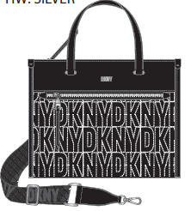 |  |  |  |  |  |  |  | 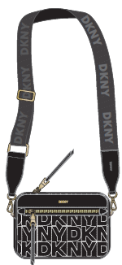 |  |  |  | 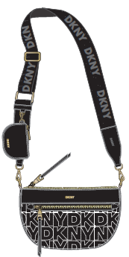 |  |  |  | 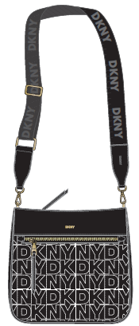 |  |  |  | 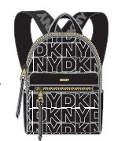 |  |  |  |  |  |  |  | 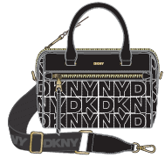
STYLE DESCRIPTION | MD TOTE |  |  |  | MINI TOTE |  |  |  | CAMERA BAG |  |  |  | CREST CBODY |  |  |  | MESSENGER |  |  |  | BACKPACK |  |  |  | MINI BACKPACK |  |  |  | SM SATCHEL |  |  |  |  |  |  |  | LOGO BRANDING IMAGE
STYLE NUMBER | R43AEZ35 |  |  |  | R43AEA60 |  |  |  | R43EAA61 |  |  |  | R43EAD01 |  |  |  | R43FEA62 |  |  |  | R43KEA64 |  |  |  | R43KED02 |  |  |  | R43DED03 |  |  |  |  |  |  |  | COMMENTS
LOGO HW1
SPECIAL HW2
CHARM
INTERIOR DETAILS
SPECIAL HANGTAG
CARE CARD | NO |  |  |  | NO |  |  |  | NO |  |  |  | NO |  |  |  | NO |  |  |  | NO |  |  |  | NO |  |  |  | NO
DUST BAG | NO |  |  |  | NO |  |  |  | NO |  |  |  | NO |  |  |  | NO |  |  |  | NO |  |  |  | NO |  |  |  | NO
MTRL PLACMENT

SAMPLE COLOR | NY | MILAN | NY AGENT | EU AGENT | NY | MILAN | NY AGENT | EU AGENT | NY | MILAN | NY AGENT | EU AGENT | NY | MILAN | NY AGENT | EU AGENT | NY | MILAN | NY AGENT | EU AGENT | NY | MILAN | NY AGENT | EU AGENT | NY | MILAN | NY AGENT | EU AGENT | NY | MILAN | NY AGENT | EU AGENT | NY | MILAN | NY AGENT | EU AGENT | NY | MILAN | NY AGENT | EU AGENT
BLACK/SILVER | 1
OLIVE |  |  |  |  |  |  |  |  |  |  |  |  |  |  |  |  | 1
DK GRAY |  |  |  |  |  |  |  |  |  |  |  |  |  |  |  |  |  |  |  |  | 1

SAMPLE ORDER TOTAL | 1 | 0 | 0 | 0 | 0 | 0 | 0 | 0 | 0 | 0 | 0 | 0 | 0 | 0 | 0 | 0 | 1 | 0 | 0 | 0 | 1 | 0 | 0 | 0 | 0 | 0 | 0 | 0 | 0 | 0 | 0 | 0 | 0 | 0 | 0 | 0 | 0 | 0 | 0 | 0
NY | 3
MILAN | 0
NY AGENT | 0
EU AGENT | 0

GRAND TOTAL | 3
NY/MILAN TOTAL | 3
AGENT TOTAL | 0
0

ZOIE - ROCKY ROAD
ZOIE | ROCKY ROAD PVC | NY TOTAL | #REF! | MILAN TOTAL | #REF! | NY AGENT TOTAL | #REF! | EU AGENT TOTAL | #REF! | GRAND TOTAL |  | #REF! | FACTORY: | WAHSUN |  |  |  |  |  |  |  |  |  |  | ZOIE - ROCKY ROAD
 |  |  |  |  |  |  |  |  |  | AGENT GRAND TOTAL |  | #REF!
SEASON: |  | FA24 |  |  |  |  |  |  | DIVISION: |  |  |  |  |  |  |  |  |  |  |  |  |  |  |  |  | CATEGORY: |  |  |  |  | HB |  |  |  |  |  |  | FACTORY: | WAHSUN
DELIVERY: |  |  |  |  |  |  |  |  | GROUP NAME: |  |  |  | ZOIE |  |  |  |  |  |  |  |  |  |  |  |  | THEME: |  |  |  |  | ROCKY ROAD PVC

LINESHEET DESCRIPTION |  | EXTERIOR |  |  |  |  |  |  |  |  |  |  |  |  |  |  |  |  |  | INTERIOR |  |  |  |  |  |  |  |  |  |  | FINSIHING DETAILS
COLOR DESC. | COLOR CODE | BODY MATERIAL |  |  | TRIM 1 MATERIAL |  |  | TRIM 2 MATERIAL |  |  | TRIM 3 MATERIAL |  |  | TRIM 4 MATERIAL |  |  | ZIPPER TAPE COLOR CODE |  |  | INTERIOR 1 MATERIAL |  |  | INTERIOR 2 MATERIAL |  |  | LINING MATERIAL |  |  | ZIPPER TAPE COLOR CODE |  | EDGE PAINT COLOR |  | THREAD COLOR |  | EMB LOGO FOIL COLOR |  | ZIPPER FINISH |  | HW Finish | LOGO FINISH (IF DIFFERENT THAN HW)
 |  | ROCKY ROAD PU (MINGKE, $4.00/yd) |  |  | 38MM STANDFORD NEW YORK LOGO WEBBING (STANDFORD, NL3001263/38, $0.73/yd) |  |  |  |  |  |  |  |  |  |  |  |  |  |  | SMOOTH PU (DJM, NEW 594 PACKABLE PVC 1.0mm, $4.60/yd) |  |  |  |  |  | NEW YORK LOGO DKNY LINING (SHINSUNG J&T, CS-17363, $1.01/yd)
BLACK/GOLD | BGD | BLACK |  |  | BLACK |  |  |  |  |  |  |  |  |  |  |  | 580 |  |  | BLACK |  |  |  |  |  | BLACK |  |  |  |  | BLACK |  | DTM |  | GOLD |  | GOLDEN BRASS |  | 9K
OLIVE | OLV | OLIVE |  |  | BLACK |  |  |  |  |  |  |  |  |  |  |  | FP56 |  |  | LT KHAKI |  |  |  |  |  | LT KHAKI |  |  |  |  | DK MAHOGANY |  | DTM |  | GOLD |  | GOLDEN BRASS |  | 9K
SHITAKE | SHI | SHITAKE |  |  | CHINO |  |  |  |  |  |  |  |  |  |  |  | 300 |  |  | LT KHAKI |  |  |  |  |  | LT KHAKI |  |  |  |  | DK MAHOGANY |  | DTM |  | GOLD |  | GOLDEN BRASS |  | 9K
STEEL BLUE | X98 | STEEL BLUE |  |  | CHINO |  |  |  |  |  |  |  |  |  |  |  | 311 |  |  | LT KHAKI |  |  |  |  |  | LT KHAKI |  |  |  |  | DK MAHOGANY |  | DTM |  | GOLD |  | GOLDEN BRASS |  | 9K
GARNET | GAR | GARNET |  |  | CHINO |  |  |  |  |  |  |  |  |  |  |  | 864 |  |  | LT KHAKI |  |  |  |  |  | LT KHAKI |  |  |  |  | DK MAHOGANY |  | DTM |  | GOLD |  | GOLDEN BRASS |  | 9K
BRIGHT RED | 8RD | BRIGHT RED |  |  | CHINO |  |  |  |  |  |  |  |  |  |  |  | 520 |  |  | LT KHAKI |  |  |  |  |  | LT KHAKI |  |  |  |  | DK MAHOGANY |  | DTM |  | GOLD |  | GOLDEN BRASS |  | 9K

IMAGE | 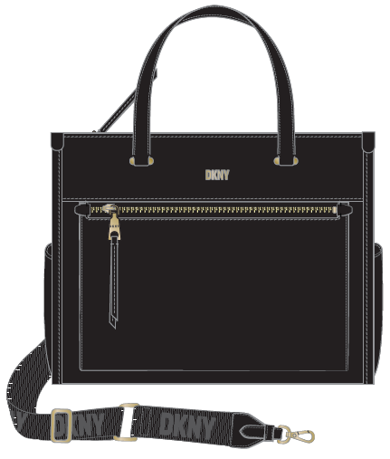 |  |  |  |  |  |  |  |  |  |  |  |  |  |  |  | 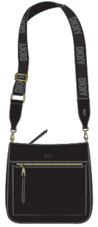 |  |  |  | 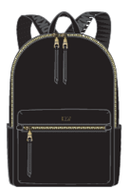 |  |  |  |  |  |  |  | 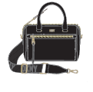
STYLE DESCRIPTION | MD TOTE |  |  |  | MINI TOTE |  |  |  | CAMERA BAG |  |  |  | CREST CBODY |  |  |  | MESSENGER |  |  |  | BACKPACK |  |  |  | MINI BACKPACK |  |  |  | SM SATCHEL |  |  |  |  |  |  |  | LOGO BRANDING IMAGE
STYLE NUMBER | R33AAZ35 |  |  |  | R33AAA60 |  |  |  | R33EAA61 |  |  |  | R41EAD01 |  |  |  | R33EAA62 |  |  |  | R33KAA64 |  |  |  | R41KAD02 |  |  |  | R41DAD03 |  |  |  |  |  |  |  | COMMENTS
LOGO HW1
SPECIAL HW2
CHARM
INTERIOR DETAILS
SPECIAL HANGTAG | N/A |  |  |  | N/A |  |  |  | N/A |  |  |  | N/A |  |  |  | N/A |  |  |  | N/A |  |  |  | N/A |  |  |  | N/A
CARE CARD | NO |  |  |  | NO |  |  |  | NO |  |  |  | NO |  |  |  | NO |  |  |  | NO |  |  |  | NO |  |  |  | NO
DUST BAG | NO |  |  |  | NO |  |  |  | NO |  |  |  | NO |  |  |  | NO |  |  |  | NO |  |  |  | NO |  |  |  | NO
MTRL PLACMENT

SAMPLE COLOR | NY | MILAN | NY AGENT | EU AGENT | NY | MILAN | NY AGENT | EU AGENT | NY | MILAN | NY AGENT | EU AGENT | NY | MILAN | NY AGENT | EU AGENT | NY | MILAN | NY AGENT | EU AGENT | NY | MILAN | NY AGENT | EU AGENT | NY | MILAN | NY AGENT | EU AGENT | NY | MILAN | NY AGENT | EU AGENT | NY | MILAN | NY AGENT | EU AGENT | NY | MILAN | NY AGENT | EU AGENT
BLACK/GOLD |  |  |  |  | 1
OLIVE |  |  |  |  |  |  |  |  |  |  |  |  | 1
SHITAKE |  |  |  |  |  |  |  |  |  |  |  |  |  |  |  |  |  |  |  |  | 1
STEEL BLUE
GARNET | 1 |  |  |  |  |  |  |  |  |  |  |  |  |  |  |  |  |  |  |  |  |  |  |  |  |  |  |  | 1
BRIGHT RED |  |  |  |  |  |  |  |  | 1

SAMPLE ORDER TOTAL | 1 | 0 | 0 | 0 | 1 | 0 | 0 | 0 | 1 | 0 | 0 | 0 | 1 | 0 | 0 | 0 | 0 | 0 | 0 | 0 | 1 | 0 | 0 | 0 | 0 | 0 | 0 | 0 | 1 | 0 | 0 | 0 | 0 | 0 | 0 | 0 | 0 | 0 | 0 | 0
NY | 6
MILAN | 0
NY AGENT | 0
EU AGENT | 0

GRAND TOTAL | 6
NY/MILAN TOTAL | 6
AGENT TOTAL | 0
0

ZOIE - METALLIC PEBBLE
ZOIE | METALLIC PEBBLE PU | NY TOTAL | #REF! | MILAN TOTAL | #REF! | NY AGENT TOTAL | #REF! | EU AGENT TOTAL | #REF! | GRAND TOTAL |  | #REF! | FACTORY: | WAHSUN |  |  |  |  |  |  |  |  |  |  | ZOIE - METALLIC PEBBLE
 |  |  |  |  |  |  |  |  |  | AGENT GRAND TOTAL |  | #REF!
SEASON: |  | FA24 |  |  |  |  |  |  | DIVISION: |  |  |  |  |  |  |  |  |  |  |  |  |  |  |  |  | CATEGORY: |  |  |  |  | HB |  |  |  |  |  |  | FACTORY: | WAHSUN
DELIVERY: |  |  |  |  |  |  |  |  | GROUP NAME: |  |  |  | ZOIE |  |  |  |  |  |  |  |  |  |  |  |  | THEME: |  |  |  |  | METALLIC PEBBLE PU

LINESHEET DESCRIPTION |  | EXTERIOR |  |  |  |  |  |  |  |  |  |  |  |  |  |  |  |  |  | INTERIOR |  |  |  |  |  |  |  |  |  |  | FINSIHING DETAILS
COLOR DESC. | COLOR CODE | BODY MATERIAL |  |  | TRIM 1 MATERIAL |  |  | TRIM 2 MATERIAL |  |  | TRIM 3 MATERIAL |  |  | TRIM 4 MATERIAL |  |  | ZIPPER TAPE COLOR CODE |  |  | INTERIOR 1 MATERIAL |  |  | INTERIOR 2 MATERIAL |  |  | LINING MATERIAL |  |  | ZIPPER TAPE COLOR CODE |  | EDGE PAINT COLOR |  | THREAD COLOR |  | EMB LOGO FOIL COLOR |  | ZIPPER FINISH |  | HW Finish | LOGO FINISH (IF DIFFERENT THAN HW)
 |  | METALLIC PEBBLE PU (HONGJIN, HJCG-28862229, $5.14/yd) |  |  | 38MM STANDFORD NEW YORK LOGO WEBBING (STANDFORD, NL3001263/38, $0.73/yd) |  |  |  |  |  |  |  |  |  |  |  |  |  |  | SMOOTH PU (DJM, NEW 594 PACKABLE PVC 1.0mm, $4.60/yd) |  |  |  |  |  | NEW YORK LOGO DKNY LINING (SHINSUNG J&T, CS-17363, $1.01/yd)
GUNMETAL | GUM | PEWTER (#06) |  |  | BLACK |  |  |  |  |  |  |  |  |  |  |  | 580 |  |  | BLACK |  |  |  |  |  | BLACK |  |  |  |  | BLACK |  | DTM |  | SILVER |  | SILVER |  | SILVER

IMAGE | 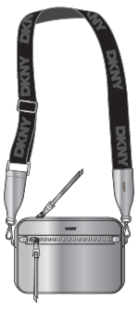 |  |  |  | 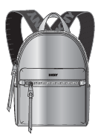
STYLE DESCRIPTION | CAMERA BAG |  |  |  | MINI BACKPACK |  |  |  |  |  |  |  |  |  |  |  |  |  |  |  |  |  |  |  |  |  |  |  |  |  |  |  |  |  |  |  | LOGO BRANDING IMAGE
STYLE NUMBER | R43EOA61 |  |  |  | R43KOD02 |  |  |  |  |  |  |  |  |  |  |  |  |  |  |  |  |  |  |  |  |  |  |  |  |  |  |  |  |  |  |  | COMMENTS
LOGO HW1
SPECIAL HW2
CHARM
INTERIOR DETAILS
SPECIAL HANGTAG | N/A |  |  |  | N/A
CARE CARD | NO |  |  |  | NO
DUST BAG | NO |  |  |  | NO
MTRL PLACMENT

SAMPLE COLOR | NY | MILAN | NY AGENT | EU AGENT | NY | MILAN | NY AGENT | EU AGENT | NY | MILAN | NY AGENT | EU AGENT | NY | MILAN | NY AGENT | EU AGENT | NY | MILAN | NY AGENT | EU AGENT | NY | MILAN | NY AGENT | EU AGENT | NY | MILAN | NY AGENT | EU AGENT | NY | MILAN | NY AGENT | EU AGENT | NY | MILAN | NY AGENT | EU AGENT | NY | MILAN | NY AGENT | EU AGENT
GUNMETAL | 1 |  |  |  | 1

SAMPLE ORDER TOTAL | 1 | 0 | 0 | 0 | 1 | 0 | 0 | 0 | 0 | 0 | 0 | 0 | 0 | 0 | 0 | 0 | 0 | 0 | 0 | 0 | 0 | 0 | 0 | 0 | 0 | 0 | 0 | 0 | 0 | 0 | 0 | 0 | 0 | 0 | 0 | 0 | 0 | 0 | 0 | 0
NY | 2
MILAN | 0
NY AGENT | 0
EU AGENT | 0

GRAND TOTAL | 2
NY/MILAN TOTAL | 2
AGENT TOTAL | 0
0

ZOIE SHERPA
ZOIE | SHERPA/ROCKY RD PU | NY TOTAL | #REF! | MILAN TOTAL | #REF! | NY AGENT TOTAL | #REF! | EU AGENT TOTAL | #REF! | GRAND TOTAL |  | #REF! | FACTORY: | FA24 |  |  |  |  |  |  |  |  |  |  | ZOIE SHERPA
 |  |  |  |  |  |  |  |  |  | AGENT GRAND TOTAL |  | #REF!
SEASON: |  | FA24 |  |  |  |  |  |  | DIVISION: |  |  |  |  |  |  |  |  |  |  |  |  |  |  |  |  | CATEGORY: |  |  |  |  | HANDBAGS |  |  |  |  |  |  | FACTORY: | FA24
DELIVERY: |  |  |  |  |  |  |  |  | GROUP NAME: |  |  |  | ZOIE |  |  |  |  |  |  |  |  |  |  |  |  | THEME: |  |  |  |  | SHERPA/ROCKY RD PU

LINESHEET DESCRIPTION |  | EXTERIOR |  |  |  |  |  |  |  |  |  |  |  |  |  |  |  |  |  | INTERIOR |  |  |  |  |  |  |  |  |  |  | FINSIHING DETAILS
COLOR DESC. | COLOR CODE | BODY MATERIAL |  |  | TRIM 1 MATERIAL |  |  | TRIM 2 MATERIAL |  |  | TRIM 3 MATERIAL |  |  | TRIM 4 MATERIAL |  |  | ZIPPER TAPE COLOR CODE |  |  | INTERIOR 1 MATERIAL |  |  | INTERIOR 2 MATERIAL |  |  | LINING MATERIAL |  |  | ZIPPER TAPE COLOR CODE |  | EDGE PAINT COLOR |  | THREAD COLOR |  | EMB LOGO FOIL COLOR |  | ZIPPER FINISH |  | HW Finish | LOGO FINISH (IF DIFFERENT THAN HW)
 |  | SOLID SHERPA (DONGLIM, HT-31776, $4.35/yd) |  |  | ROCKY ROAD PU (MINGKE, $4.00/yd) |  |  | 38MM STANDFORD NEW YORK LOGO WEBBING (STANDFORD, NL3001263/38, $0.73/yd) |  |  |  |  |  |  |  |  |  |  |  | SMOOTH PU (DJM, NEW 594 PACKABLE PVC 1.0mm, $4.60/yd) |  |  |  |  |  | NEW YORK LOGO DKNY LINING (SHINSUNG J&T, CS-17363, $1.01/yd)
BLACK/BLACK | BBL | BLACK |  |  | BLACK |  |  | BLACK |  |  |  |  |  |  |  |  | 580 |  |  | BLACK |  |  |  |  |  | BLACK |  |  |  |  | BLACK |  | DTM |  | GOLD |  | GOLDEN BRASS |  | 9K GOLD
IVORY/BLACK |  | IVORY |  |  | BLACK |  |  | BLACK |  |  |  |  |  |  |  |  | 580 |  |  | LT KHAKI |  |  |  |  |  | LT KHAKI |  |  |  |  | DK MAHOGANY |  | DTM |  | GOLD |  | GOLDEN BRASS |  | 9K GOLD

IMAGE | 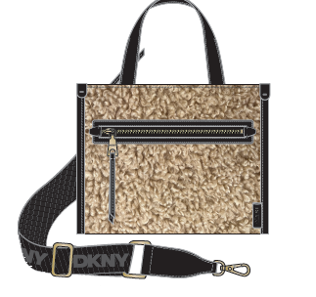 |  |  |  | 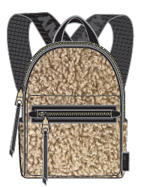 |  |  |  | 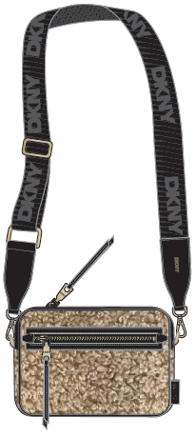
STYLE DESCRIPTION | MINI TOTE |  |  |  | MINI BACKPACK |  |  |  | CAMERA |  |  |  |  |  |  |  |  |  |  |  |  |  |  |  |  |  |  |  |  |  |  |  |  |  |  |  | LOGO BRANDING IMAGE
STYLE NUMBER | R43AYF54 |  |  |  | R43KKD02 |  |  |  | R43EYA61 |  |  |  |  |  |  |  |  |  |  |  |  |  |  |  |  |  |  |  |  |  |  |  |  |  |  |  | COMMENTS
LOGO HW1
SPECIAL HW2
CHARM
INTERIOR DETAILS
SPECIAL HANGTAG
CARE CARD | NO |  |  |  | NO |  |  |  | NO
DUST BAG | NO |  |  |  | NO |  |  |  | NO
MTRL PLACMENT

SAMPLE COLOR | NY | MILAN | NY AGENT | EU AGENT | NY | MILAN | NY AGENT | EU AGENT | NY | MILAN | NY AGENT | EU AGENT | NY | MILAN | NY AGENT | EU AGENT | NY | MILAN | NY AGENT | EU AGENT | NY | MILAN | NY AGENT | EU AGENT | NY | MILAN | NY AGENT | EU AGENT | NY | MILAN | NY AGENT | EU AGENT | NY | MILAN | NY AGENT | EU AGENT | NY | MILAN | NY AGENT | EU AGENT
BLACK/BLACK |  |  |  |  | 1
IVORY/BLACK | 1 |  |  |  |  |  |  |  | 1

SAMPLE ORDER TOTAL | 1 | 0 | 0 | 0 | 1 | 0 | 0 | 0 | 1 | 0 | 0 | 0 | 0 | 0 | 0 | 0 | 0 | 0 | 0 | 0 | 0 | 0 | 0 | 0 | 0 | 0 | 0 | 0 | 0 | 0 | 0 | 0 | 0 | 0 | 0 | 0 | 0 | 0 | 0 | 0
NY | 3
MILAN | 0
NY AGENT | 0
EU AGENT | 0

GRAND TOTAL | 3
NY/MILAN TOTAL | 3
AGENT TOTAL | 0
0

ZOIE FELT
ZOIE | FELT/ROCKY RD PU | NY TOTAL | #REF! | MILAN TOTAL | #REF! | NY AGENT TOTAL | #REF! | EU AGENT TOTAL | #REF! | GRAND TOTAL |  | #REF! | FACTORY: | WAHSUN |  |  |  |  |  |  |  |  |  |  | ZOIE FELT
 |  |  |  |  |  |  |  |  |  | AGENT GRAND TOTAL |  | #REF!
SEASON: |  | FA24 |  |  |  |  |  |  | DIVISION: |  |  |  |  |  |  |  |  |  |  |  |  |  |  |  |  | CATEGORY: |  |  |  |  | HANDBAGS |  |  |  |  |  |  | FACTORY: | WAHSUN
DELIVERY: |  |  |  |  |  |  |  |  | GROUP NAME: |  |  |  | ZOIE |  |  |  |  |  |  |  |  |  |  |  |  | THEME: |  |  |  |  | FELT/ROCKY RD PU

LINESHEET DESCRIPTION |  | EXTERIOR |  |  |  |  |  |  |  |  |  |  |  |  |  |  |  |  |  | INTERIOR |  |  |  |  |  |  |  |  |  |  | FINSIHING DETAILS
COLOR DESC. | COLOR CODE | BODY MATERIAL |  |  | TRIM 1 MATERIAL |  |  | TRIM 2 MATERIAL |  |  | TRIM 3 MATERIAL |  |  | TRIM 4 MATERIAL |  |  | ZIPPER TAPE COLOR CODE |  |  | INTERIOR 1 MATERIAL |  |  | INTERIOR 2 MATERIAL |  |  | LINING MATERIAL |  |  | ZIPPER TAPE COLOR CODE |  | EDGE PAINT COLOR |  | THREAD COLOR |  | EMB LOGO FOIL COLOR |  | ZIPPER FINISH |  | HW Finish | LOGO FINISH (IF DIFFERENT THAN HW)
 |  | FELT (XINSHENG, XS-W306, $4.30/yd) |  |  | ROCKY ROAD PU (MINGKE, $4.00/yd) |  |  | 38MM STANDFORD NEW YORK LOGO WEBBING (STANDFORD, NL3001263/38, $0.73/yd) |  |  |  |  |  |  |  |  |  |  |  | SMOOTH PU (DJM, NEW 594 PACKABLE PVC 1.0mm, $4.60/yd) |  |  |  |  |  | NEW YORK LOGO DKNY LINING (SHINSUNG J&T, CS-17363, $1.01/yd)
DK GRAY/BLACK |  | DK GRAY (B01) |  |  | BLACK |  |  | BLACK |  |  |  |  |  |  |  |  | 580 |  |  | BLACK |  |  |  |  |  | BLACK |  |  |  |  | BLACK |  | DTM |  | SILVER |  | GUNMETAL |  | GUNMETAL

IMAGE | 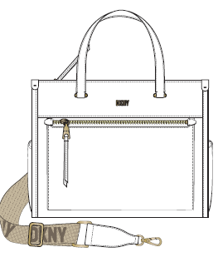 |  |  |  |  |  |  |  | 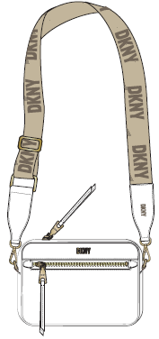
STYLE DESCRIPTION | MD TOTE |  |  |  | MINI TOTE |  |  |  | CAMERA |  |  |  |  |  |  |  |  |  |  |  |  |  |  |  |  |  |  |  |  |  |  |  |  |  |  |  | LOGO BRANDING IMAGE
STYLE NUMBER | R43ADF54 |  |  |  | R43KDD02 |  |  |  | R43EDA61 |  |  |  |  |  |  |  |  |  |  |  |  |  |  |  |  |  |  |  |  |  |  |  |  |  |  |  | COMMENTS
LOGO HW1
SPECIAL HW2
CHARM
INTERIOR DETAILS
SPECIAL HANGTAG
CARE CARD | NO |  |  |  | NO |  |  |  | NO
DUST BAG | NO |  |  |  | NO |  |  |  | NO
MTRL PLACMENT

SAMPLE COLOR | NY | MILAN | NY AGENT | EU AGENT | NY | MILAN | NY AGENT | EU AGENT | NY | MILAN | NY AGENT | EU AGENT | NY | MILAN | NY AGENT | EU AGENT | NY | MILAN | NY AGENT | EU AGENT | NY | MILAN | NY AGENT | EU AGENT | NY | MILAN | NY AGENT | EU AGENT | NY | MILAN | NY AGENT | EU AGENT | NY | MILAN | NY AGENT | EU AGENT | NY | MILAN | NY AGENT | EU AGENT
DK GRAY/BLACK | 1 |  |  |  | 1 |  |  |  | 1

SAMPLE ORDER TOTAL | 1 | 0 | 0 | 0 | 1 | 0 | 0 | 0 | 1 | 0 | 0 | 0 | 0 | 0 | 0 | 0 | 0 | 0 | 0 | 0 | 0 | 0 | 0 | 0 | 0 | 0 | 0 | 0 | 0 | 0 | 0 | 0 | 0 | 0 | 0 | 0 | 0 | 0 | 0 | 0
NY | 3
MILAN | 0
NY AGENT | 0
EU AGENT | 0

GRAND TOTAL | 3
NY/MILAN TOTAL | 3
AGENT TOTAL | 0
0

